P1
 |  |  |  |  |  |  |  |  |  |  |  |  | 375
 |  |  |  |  |  |  |  |  |  |  |  |  | 65%

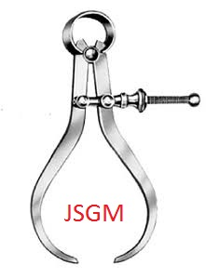 jai sai GEOMETRIC
N0:105-B, Mhathma Gandhi 3rd Street,TASS Industrial Estate,Ambattur,Chennai-600095
E-mail:jaisaigeometric@gmail.com Cell no:6382206339, GSTIN No.: 33AAKFJ6093J1Z0
QUOTATION
To, |  |  |  |  |  |  |  |  |  |  |  |  |  |  |  |  | DATE:
M/S. HARITHA SEATING SYSTEMS LTD |  |  |  |  |  |  |  |  |  |  |  |  |  |  |  |  | QUOTE NO :
HOSUR |  |  |  |  |  |  |  |  |  |  |  |  |  |  |  |  | PROJECT NAME:
 |  |  |  |  |  |  |  |  |  |  |  |  |  |  |  |  | OPERATION :
KIND ATTN: Mr. KATHIRAVAN

SI.NO | P/NAME | P/NO | PART IMAGE | COMP. SIZE |  |  | BLANK. SIZE |  |  | TOOL TYPE | OP- | DESCRIPTION | DIE SIZE |  |  | TOTAL EIGHT | W.F | TOOL WEIGHT | RATE
 |  |  |  | LEN | WID | HEI | LEN | WID | THI |  |  |  | L | W | H
1 | MTG BKT | H15501042S01 | 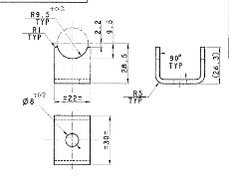 | 30 | 22 | 27 | 75 | 22 | 2.5 | PLATE | 10 | BLANK & PIERCING | 500 | 350 | 350 | 481 | 65% | 313 | 375
 |  |  |  |  |  |  |  |  |  |  | 20 | FORMING | 450 | 300 | 350 | 371 | 65% | 241 | 375
 |  |  |  |  |  |  |  |  |  |  |  |  |  |  |  | 0 | 65% | 0 | 375
 |  |  |  |  |  |  |  |  |  |  |  |  |  |  |  | 0 | 65% | 0 | 375
 |  |  |  |  |  |  |  |  |  |  |  | CF |  |  |  | 0 | 65% | 0 | 375
 |  |  |  |  |  |  |  |  |  |  |  | TOTAL
2 | B/R CONNECTING TUBE-TOP | H15501050T01 | 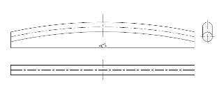 | 429 |  | 28 |  |  | 1.6 | PLATE |  |  |  |  |  | 0 | 65% | 0 | 375
 |  |  |  |  |  |  |  |  |  |  |  |  |  |  |  | 0 | 65% | 0 | 375
 |  |  |  |  |  |  |  |  |  |  |  |  |  |  |  | 0 | 65% | 0 | 375
 |  |  |  |  |  |  |  |  |  |  |  |  |  |  |  | 0 | 65% | 0 | 375
 |  |  |  |  |  |  |  |  |  |  |  | CF |  |  |  | 0 | 65% | 0 | 375
 |  |  |  |  |  |  |  |  |  |  |  | TOTAL
3 | BACKREST BRACKET-LH | L13507006S |  | 502 | 88 | 22 | 550 | 125 | 1.2 | PLATE | 10 | BLANKING | 1000 | 500 | 400 | 1570 | 65% | 1021 | 375
 |  |  |  |  |  |  |  |  |  |  | 20 | FORMING | 900 | 450 | 400 | 1272 | 65% | 827 | 375
 |  |  |  |  |  |  |  |  |  |  | 30 | PIERCING & CAM PIERCING | 900 | 500 | 450 | 1590 | 65% | 1033 | 375
 |  |  |  |  |  |  |  |  |  |  |  |  |  |  |  | 0 | 65% | 0 | 375
 |  |  |  |  |  |  |  |  |  |  |  | CF |  |  |  | 0 | 65% | 0 | 375
 |  |  |  |  |  |  |  |  |  |  |  | TOTAL
4 | BACKREST BRACKET-RH | L13507007S01 | 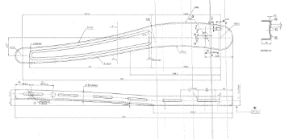 | 502 | 88 | 22 | 550 | 125 | 1.2 | PLATE | 10 | BLANKING COMMON WITH RH |  |  |  | 0 | 65% | 0 | 375
 |  |  |  |  |  |  |  |  |  |  | 20 | FORMING | 900 | 450 | 400 | 1272 | 65% | 827 | 375
 |  |  |  |  |  |  |  |  |  |  | 30 | PIERCING & CAM PIERCING | 900 | 500 | 450 | 1590 | 65% | 1033 | 375
 |  |  |  |  |  |  |  |  |  |  |  |  |  |  |  | 0 | 65% | 0 | 375
 |  |  |  |  |  |  |  |  |  |  |  | CF |  |  |  | 0 | 65% | 0 | 375
 |  |  |  |  |  |  |  |  |  |  |  | TOTAL
5 | TOOTHED PLATE | L13507103S01 | 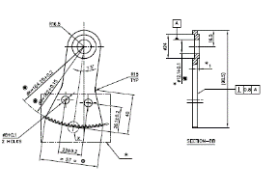 | 98.5 | 57 | 6 | 98.5 | 57 | 5 | PLATE | 10 | BLANKING | 550 | 450 | 350 | 680 | 65% | 442 | 375
 |  |  |  |  |  |  |  |  |  |  | 20 | PIERCING & COINING | 500 | 400 | 350 | 550 | 65% | 357 | 375
 |  |  |  |  |  |  |  |  |  |  |  |  |  |  |  | 0 | 65% | 0 | 375
 |  |  |  |  |  |  |  |  |  |  |  |  |  |  |  | 0 | 65% | 0 | 375
 |  |  |  |  |  |  |  |  |  |  |  | CF |  |  |  | 0 | 65% | 0 | 375
 |  |  |  |  |  |  |  |  |  |  |  | TOTAL
6 | SLIDING TOOTHED BKT | F12104125S01 | 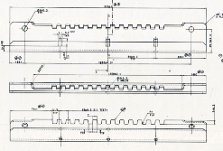 | 330 | 19 | 50 | 330 | 77 | 3 | PLATE | 10 | BLANK & PIERCING | 900 | 500 | 350 | 1236 | 65% | 804 | 375
 |  |  |  |  |  |  |  |  |  |  | 20 | FORM 1 | 800 | 450 | 350 | 989 | 65% | 643 | 375
 |  |  |  |  |  |  |  |  |  |  | 30 | FORM 2 | 750 | 400 | 350 | 824 | 65% | 536 | 375
 |  |  |  |  |  |  |  |  |  |  |  |  |  |  |  | 0 | 65% | 0 | 375
 |  |  |  |  |  |  |  |  |  |  |  | CF |  |  |  | 0 | 65% | 0 | 375
 |  |  |  |  |  |  |  |  |  |  |  | TOTAL
7 | STOPPER ROD | F12104151W01 | 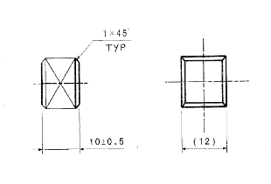 | 12 | 12 | 10 |  |  |  | PLATE | 10 |  |  |  |  | 0 | 65% | 0 | 375
 |  |  |  |  |  |  |  |  |  |  |  |  |  |  |  | 0 | 65% | 0 | 375
 |  |  |  |  |  |  |  |  |  |  |  |  |  |  |  | 0 | 65% | 0 | 375
 |  |  |  |  |  |  |  |  |  |  |  |  |  |  |  | 0 | 65% | 0 | 375
 |  |  |  |  |  |  |  |  |  |  |  | CF |  |  |  | 0 | 65% | 0 | 375
 |  |  |  |  |  |  |  |  |  |  |  | TOTAL
8 | MOUNTING ANGLE | L13507033S01 | 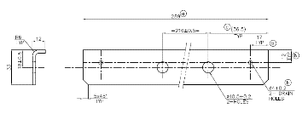 | 289 | 33 | 12 | 289 | 40 | 3 | PLATE | 10 | BLANK & PIERCING | 750 | 400 | 350 | 824 | 65% | 536 | 375
 |  |  |  |  |  |  |  |  |  |  | 20 | FORMING | 700 | 350 | 350 | 673 | 65% | 438 | 375
 |  |  |  |  |  |  |  |  |  |  |  |  |  |  |  | 0 | 65% | 0 | 375
 |  |  |  |  |  |  |  |  |  |  |  |  |  |  |  | 0 | 65% | 0 | 375
 |  |  |  |  |  |  |  |  |  |  |  | CF |  |  |  | 0 | 65% | 0 | 375
 |  |  |  |  |  |  |  |  |  |  |  | TOTAL
9 | CONNECTING TUBE | L13507036T01 | 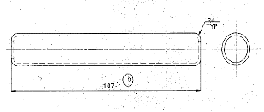 | 107 | 23 |  |  |  |  | PLATE | 10 |  |  |  |  | 0 | 65% | 0 | 375
 |  |  |  |  |  |  |  |  |  |  |  |  |  |  |  | 0 | 65% | 0 | 375
 |  |  |  |  |  |  |  |  |  |  |  |  |  |  |  | 0 | 65% | 0 | 375
 |  |  |  |  |  |  |  |  |  |  |  |  |  |  |  | 0 | 65% | 0 | 375
 |  |  |  |  |  |  |  |  |  |  |  | CF |  |  |  | 0 | 65% | 0 | 375
 |  |  |  |  |  |  |  |  |  |  |  | TOTAL
10 | REINFORCEMENT ROD-SIDE | L13507037W01 |  | 235 | 6 | 18 | 250 |  | 6 | PLATE | 10 | BENDING TOOL | 250 | 200 | 250 | 98 | 65% | 64 | 375
 |  |  |  | 233 | 6 | 18 | 248 |  | 6 |  |  |  |  |  |  | 0 | 65% | 0 | 375
 |  |  |  | 163 | 8 | 19 | 177 |  | 8 |  |  | BENDING TOOL | 250 | 200 | 250 | 98 | 65% | 64 | 375
 |  |  |  | 230 | 8 | 19 | 243 |  | 8 |  |  |  |  |  |  | 0
 |  |  |  |  |  |  |  |  |  |  |  | CF(4 NOS) |  |  |  | 0 | 65% | 0 | 375
 |  |  |  |  |  |  |  |  |  |  |  | TOTAL
11 | Z BKT-LH | L13507041S01 | 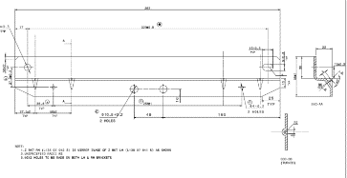 | 363 | 55 | 25 | 363 | 73.2 | 3 | PLATE | 10 | BLANK & PIERCING | 850 | 500 | 350 | 1168 | 65% | 759 | 375
 |  |  |  |  |  |  |  |  |  |  | 20 | FORMING | 750 | 450 | 350 | 927 | 65% | 603 | 375
 |  |  |  |  |  |  |  |  |  |  |  |  |  |  |  | 0 | 65% | 0 | 375
 |  |  |  |  |  |  |  |  |  |  |  |  |  |  |  | 0
 |  |  |  |  |  |  |  |  |  |  |  | CF |  |  |  | 0 | 65% | 0 | 375
 |  |  |  |  |  |  |  |  |  |  |  | TOTAL
12 | CONN TUBE BOTTOM MTG | H16101004T01 | 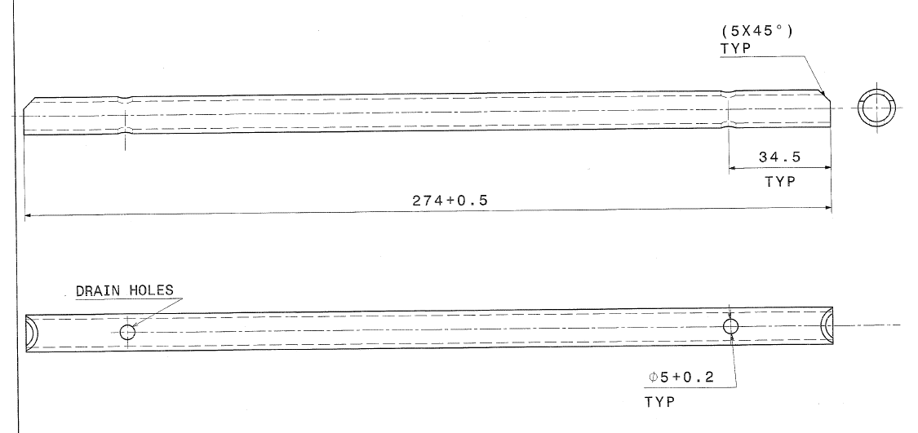 | 274 | 12.7 |  |  |  | 2 | PLATE | 10 |  |  |  |  | 0 | 65% | 0 | 375
 |  |  |  |  |  |  |  |  |  |  |  |  |  |  |  | 0 | 65% | 0 | 375
 |  |  |  |  |  |  |  |  |  |  |  |  |  |  |  | 0 | 65% | 0 | 375
 |  |  |  |  |  |  |  |  |  |  |  |  |  |  |  | 0 | 65% | 0 | 375
 |  |  |  |  |  |  |  |  |  |  |  | CF |  |  |  | 0 | 65% | 0 | 375
 |  |  |  |  |  |  |  |  |  |  |  | TOTAL
13 | MOUNTING TUBE CTTP | H16101005T01 |  | 116 | 19 | 19 |  |  |  | PLATE | 10 |  |  |  |  | 0 | 65% | 0 | 375
 |  |  |  |  |  |  |  |  |  |  |  |  |  |  |  | 0 | 65% | 0 | 375
 |  |  |  |  |  |  |  |  |  |  |  |  |  |  |  | 0 | 65% | 0 | 375
 |  |  |  |  |  |  |  |  |  |  |  |  |  |  |  | 0 | 65% | 0 | 375
 |  |  |  |  |  |  |  |  |  |  |  | CF |  |  |  | 0 | 65% | 0 | 375
 |  |  |  |  |  |  |  |  |  |  |  | TOTAL
14 | CONN TUBE SLIDERAIL MTG | H16101006T01 | 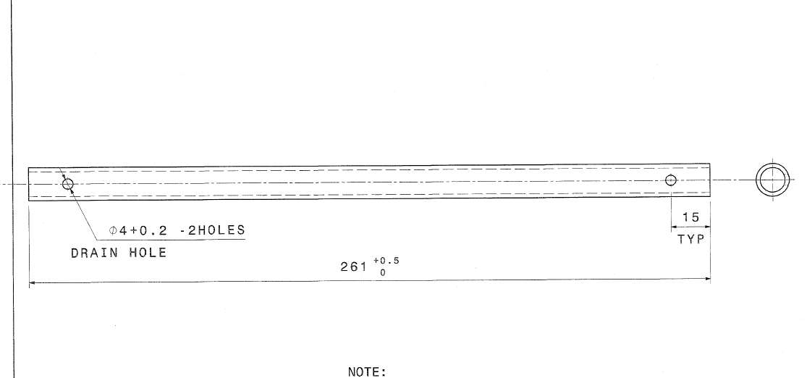 | 261 | 13 |  |  |  | 2 | PLATE | 10 |  |  |  |  | 0 | 65% | 0 | 375
 |  |  |  |  |  |  |  |  |  |  |  |  |  |  |  | 0 | 65% | 0 | 375
 |  |  |  |  |  |  |  |  |  |  |  |  |  |  |  | 0 | 65% | 0 | 375
 |  |  |  |  |  |  |  |  |  |  |  |  |  |  |  | 0 | 65% | 0 | 375
 |  |  |  |  |  |  |  |  |  |  |  | CF |  |  |  | 0 | 65% | 0 | 375
 |  |  |  |  |  |  |  |  |  |  |  | TOTAL
15 | MOUNTING BKT LH | L12205049S01 | 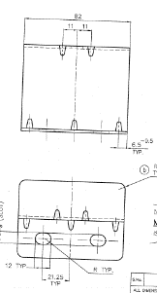 | 82 | 60 | 65 | 122 | 82 | 2 | PLATE | 10 | BLANK & PIERCING | 600 | 450 | 350 | 742 | 65% | 482 | 375
 |  |  |  |  |  |  |  |  |  |  | 20 | FORMING | 500 | 450 | 350 | 618 | 65% | 402 | 375
 |  |  |  |  |  |  |  |  |  |  |  |  |  |  |  | 0 | 65% | 0 | 375
 |  |  |  |  |  |  |  |  |  |  |  |  |  |  |  | 0 | 65% | 0 | 375
 |  |  |  |  |  |  |  |  |  |  |  | CF |  |  |  | 0 | 65% | 0 | 375
 |  |  |  |  |  |  |  |  |  |  |  | TOTAL
16 | FRAME PART RH | F12104116S01 | 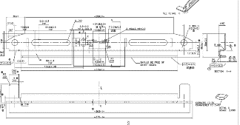 | 375 | 38 | 50 | 375 | 87 | 3 | PLATE | 10 | BLANK & PIERCING | 850 | 450 | 350 | 1051 | 65% | 683 | 375
 |  |  |  |  |  |  |  |  |  |  | 20 | PIERCING | 800 | 400 | 350 | 879 | 65% | 571 | 375
 |  |  |  |  |  |  |  |  |  |  | 30 | FORM 1 | 750 | 400 | 350 | 824 | 65% | 536 | 375
 |  |  |  |  |  |  |  |  |  |  | 40 | FORM 2 | 700 | 400 | 350 | 769 | 165% | 1269 | 375
 |  |  |  |  |  |  |  |  |  |  |  | CF |  |  |  | 0 | 65% | 0 | 375
 |  |  |  |  |  |  |  |  |  |  |  | TOTAL
17 | HINGE BKT | F12104120S01 | 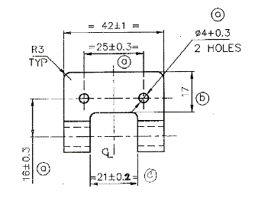 | 42 | 34 | 13 | 57 | 42 | 2.5 | PLATE | 10 | BLANK & PIERCING | 450 | 350 | 350 | 433 | 65% | 281 | 375
 |  |  |  |  |  |  |  |  |  |  | 20 | PRE-FORM & CURLING | 400 | 350 | 350 | 385 | 65% | 250 | 375
 |  |  |  |  |  |  |  |  |  |  |  |  |  |  |  | 0 | 65% | 0 | 375
 |  |  |  |  |  |  |  |  |  |  |  |  |  |  |  | 0 | 65% | 0 | 375
 |  |  |  |  |  |  |  |  |  |  |  | CF |  |  |  | 0 | 65% | 0 | 375
 |  |  |  |  |  |  |  |  |  |  |  | TOTAL
18 | BRACKET | 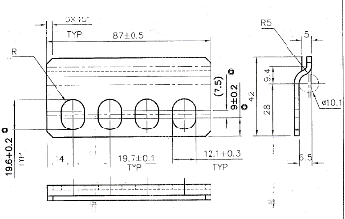 F12104121S01 |  | 87 | 42 | 9 | 87 | 45 | 2.5 | PLATE | 10 | BLANKING | 450 | 350 | 350 | 433 | 65% | 281 | 375
 |  |  |  |  |  |  |  |  |  |  | 20 | PIERCING | 400 | 300 | 350 | 330 | 65% | 214 | 375
 |  |  |  |  |  |  |  |  |  |  | 30 | FORMING | 400 | 300 | 350 | 330 | 65% | 214 | 375
 |  |  |  |  |  |  |  |  |  |  |  |  |  |  |  | 0 | 65% | 0 | 375
 |  |  |  |  |  |  |  |  |  |  |  | CF |  |  |  | 0 | 65% | 0 | 375
 |  |  |  |  |  |  |  |  |  |  |  | TOTAL
19 | SIDE BKT | F12104122S01 | 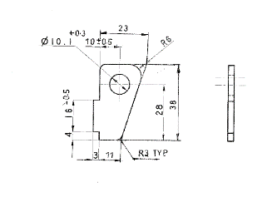 | 38 | 26 | 3 | 38 | 26 | 3 | PLATE | 10 | BLANKING | 350 | 350 | 350 | 337 | 65% | 219 | 375
 |  |  |  |  |  |  |  |  |  |  | 20 | PIERCING | 300 | 300 | 300 | 212 | 65% | 138 | 375
 |  |  |  |  |  |  |  |  |  |  |  |  |  |  |  | 0 | 65% | 0 | 375
 |  |  |  |  |  |  |  |  |  |  |  |  |  |  |  | 0 | 65% | 0 | 375
 |  |  |  |  |  |  |  |  |  |  |  | CF |  |  |  | 0 | 65% | 0 | 375
 |  |  |  |  |  |  |  |  |  |  |  | TOTAL
20 | CONNECTING ROD | F12104145W01 | 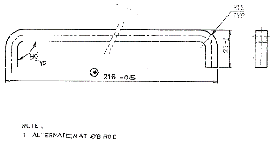 | 243 | ø8 | 25 |  |  |  | PLATE | 10 |  |  |  |  | 0 | 65% | 0 | 375
 |  |  |  |  |  |  |  |  |  |  |  |  |  |  |  | 0 | 65% | 0 | 375
 |  |  |  |  |  |  |  |  |  |  |  |  |  |  |  | 0 | 65% | 0 | 375
 |  |  |  |  |  |  |  |  |  |  |  |  |  |  |  | 0 | 65% | 0 | 375
 |  |  |  |  |  |  |  |  |  |  |  | CF |  |  |  | 0 | 65% | 0 | 375
 |  |  |  |  |  |  |  |  |  |  |  | TOTAL
21 | FRAME PART LH | F12104152S01 | 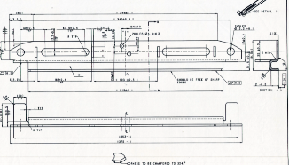 | 375 | 49.5 | 37.5 | 375 | 87 | 3 | PLATE | 10 | BLANK & PIERCING | COMMON WITH RH |  |  | #VALUE! | 65% | #VALUE! | 375
 |  |  |  |  |  |  |  |  |  |  | 20 | PIERCING | COMMON WITH RH |  |  | #VALUE! | 65% | #VALUE! | 375
 |  |  |  |  |  |  |  |  |  |  | 30 | FORM 1 | 750 | 400 | 350 | 824 | 65% | 536 | 375
 |  |  |  |  |  |  |  |  |  |  | 40 | FORM 2 | 700 | 400 | 350 | 769 | 65% | 375 | 375
 |  |  |  |  |  |  |  |  |  |  |  | CF |  |  |  | 0 | 65% | 0 | 375
 |  |  |  |  |  |  |  |  |  |  |  | TOTAL
22 | HT ADJ LEVE REAR - PASSIVE | F12104166W01 |  | 157 | 10 |  |  |  |  | PLATE | 10 |  |  |  |  | 0 | 65% | 0 | 375
 |  |  |  |  |  |  |  |  |  |  | 20 |  |  |  |  | 0 | 65% | 0 | 375
 |  |  |  |  |  |  |  |  |  |  |  |  |  |  |  | 0 | 65% | 0 | 375
 |  |  |  |  |  |  |  |  |  |  |  |  |  |  |  | 0
 |  |  |  |  |  |  |  |  |  |  |  | CF |  |  |  | 0 | 65% | 0 | 375
 |  |  |  |  |  |  |  |  |  |  |  | TOTAL
23 | HT ADJ LEVER REAR-ACTIVE | F12104167W01 | 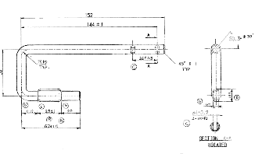 | 157 | ø10 | 60 |  |  |  | PLATE | 10 |  |  |  |  | 0 | 65% | 0 | 375
 |  |  |  |  |  |  |  |  |  |  |  |  |  |  |  | 0 | 65% | 0 | 375
 |  |  |  |  |  |  |  |  |  |  |  |  |  |  |  | 0 | 65% | 0 | 375
 |  |  |  |  |  |  |  |  |  |  |  |  |  |  |  | 0 | 65% | 0 | 375
 |  |  |  |  |  |  |  |  |  |  |  | CF |  |  |  | 0 | 65% | 0 | 375
 |  |  |  |  |  |  |  |  |  |  |  | TOTAL
24 | ACTUATOR PIN | F12104225W01 | 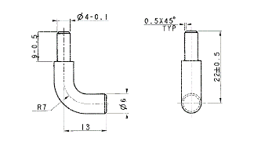 | 25 | ø6 | 16 |  |  |  | PLATE | 10 |  |  |  |  | 0 | 65% | 0 | 375
 |  |  |  |  |  |  |  |  |  |  | 20 |  |  |  |  | 0 | 65% | 0 | 375
 |  |  |  |  |  |  |  |  |  |  | 30 |  |  |  |  | 0 | 65% | 0 | 375
 |  |  |  |  |  |  |  |  |  |  | 40 |  |  |  |  | 0
 |  |  |  |  |  |  |  |  |  |  |  | CF |  |  |  | 0 | 65% | 0 | 375
 |  |  |  |  |  |  |  |  |  |  |  | TOTAL
 |  |  |  |  |  |  |  |  |  |  |  | Grand Total
NOTE:
1 | DIE STEEL CONSIDER D2 IMP WITH VHT
2 | STANDARDS FROM MISUMI
3 | COMPLETE 2D AMD 3D DATA REQUIRED ALONG WITH PO.
4 | FOR TOOL TRAILS AND SAMPLES REQUIRED MATERIALS TO BE SUPPLIED BY CUSTOMER.
5 | STRIP SIZE AND PITCH MAY VARY AT THE TIME OF DESIGN
6 | PART WILL BE PROVED AS PER CHECKING GAGUE
7 | NO SPARES ARE CONSIDER
8 | PACKING AND FORWORDING EXTRA AT ACTUALS.
GST NO: 33AAKFJ6093J1Z0

OTHER TERMS AND CONDITIONS:
DELIVERY: |  | 10 WEEKS AFTER design approve/complete. |  |  |  |  | FRIEGHT at your end
Payment Terms: 50 %+GST with PO,40%+FULL GST after t0 sample submission, balance 10 % after PPAP.
Govt Taxes as applicable extra

P2
 |  |  |  |  |  |  |  |  |  |  |  |  | 375
 |  |  |  |  |  |  |  |  |  |  |  |  | 65%

jai sai GEOMETRIC
N0:105-B, Mhathma Gandhi 3rd Street,TASS Industrial Estate,Ambattur,Chennai-600095
E-mail:jaisaigeometric@gmail.com Cell no:6382206339, GSTIN No.: 33AAKFJ6093J1Z0
QUOTATION
To, |  |  |  |  |  |  |  |  |  |  |  |  |  |  |  |  | DATE:
M/S. HARITHA SEATING SYSTEMS LTD |  |  |  |  |  |  |  |  |  |  |  |  |  |  |  |  | QUOTE NO :
HOSUR |  |  |  |  |  |  |  |  |  |  |  |  |  |  |  |  | PROJECT NAME:
 |  |  |  |  |  |  |  |  |  |  |  |  |  |  |  |  | OPERATION :
KIND ATTN: Mr. KATHIRAVAN

SI.NO | P/NAME | P/NO | PART IMAGE | COMP. SIZE |  |  | BLANK. SIZE |  |  | TOOL TYPE | OP- | DESCRIPTION | DIE SIZE |  |  | TOTAL EIGHT | W.F | TOOL WEIGHT | RATE
 |  |  |  | LEN | WID | HEI | LEN | WID | THI |  |  |  | L | W | H
1 | L BRACKET-CRAWLER IT4 | K18222005S01 | 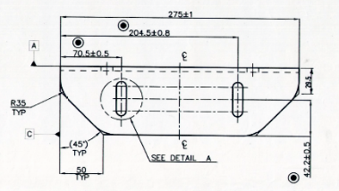 | 275 | 228 | 79.5 | 275 | 298 | 5 | PLATE | 10 | BLANKING | 800 | 700 | 400 | 1758 | 65% | 1143 | 375
 |  |  |  |  |  |  |  |  |  |  | 20 | PIERCING | 700 | 600 | 400 | 1319 | 65% | 857 | 375
 |  |  |  |  |  |  |  |  |  |  | 30 | FORMING | 650 | 550 | 350 | 982 | 65% | 638 | 375
 |  |  |  |  |  |  |  |  |  |  |  |  |  |  |  | 0 | 65% | 0 | 375
 |  |  |  |  |  |  |  |  |  |  |  | CF |  |  |  | 0 | 65% | 0 | 375
 |  |  |  |  |  |  |  |  |  |  |  | TOTAL
2 | BOTTOM PLATE -AIR SUSP | H15503046S01 | 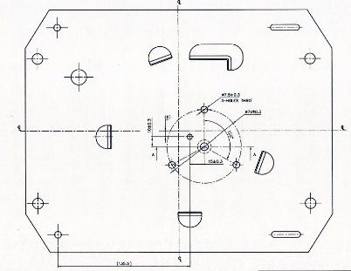 |  |  |  |  |  | 5 | PLATE | 10 | BLANKING |  |  |  | 0 | 65% | 0 | 375
 |  |  |  |  |  |  |  |  |  |  | 20 | PIERCING & LANCING |  |  |  | 0 | 65% | 0 | 375
 |  |  |  |  |  |  |  |  |  |  |  |  |  |  |  | 0 | 65% | 0 | 375
 |  |  |  |  |  |  |  |  |  |  |  |  |  |  |  | 0 | 65% | 0 | 375
 |  |  |  |  |  |  |  |  |  |  |  |  |  |  |  | 0 | 65% | 0 | 375
 |  |  |  |  |  |  |  |  |  |  |  | TOTAL
 |  |  |  |  |  |  |  |  |  |  |  | Grand Total
NOTE:
1 | DIE STEEL CONSIDER D2 IMP WITH VHT
2 | STANDARDS FROM MISUMI
3 | COMPLETE 2D AMD 3D DATA REQUIRED ALONG WITH PO.
4 | FOR TOOL TRAILS AND SAMPLES REQUIRED MATERIALS TO BE SUPPLIED BY CUSTOMER.
5 | STRIP SIZE AND PITCH MAY VARY AT THE TIME OF DESIGN
6 | PART WILL BE PROVED AS PER CHECKING GAGUE
7 | NO SPARES ARE CONSIDER
8 | PACKING AND FORWORDING EXTRA AT ACTUALS.
GST NO: 33AAKFJ6093J1Z0

OTHER TERMS AND CONDITIONS:
DELIVERY: |  | 10 WEEKS AFTER design approve/complete. |  |  |  |  | FRIEGHT at your end
Payment Terms: 50 %+GST with PO,40%+FULL GST after t0 sample submission, balance 10 % after PPAP.
Govt Taxes as applicable extra

P3
 |  |  |  |  |  |  |  |  |  |  |  |  | 375
 |  |  |  |  |  |  |  |  |  |  |  |  | 65%

jai sai GEOMETRIC
N0:105-B, Mhathma Gandhi 3rd Street,TASS Industrial Estate,Ambattur,Chennai-600095
E-mail:jaisaigeometric@gmail.com Cell no:6382206339, GSTIN No.: 33AAKFJ6093J1Z0
QUOTATION
To, |  |  |  |  |  |  |  |  |  |  |  |  |  |  |  |  | DATE:
M/S. HARITHA SEATING SYSTEMS LTD |  |  |  |  |  |  |  |  |  |  |  |  |  |  |  |  | QUOTE NO :
HOSUR |  |  |  |  |  |  |  |  |  |  |  |  |  |  |  |  | PROJECT NAME:
 |  |  |  |  |  |  |  |  |  |  |  |  |  |  |  |  | OPERATION :
KIND ATTN: Mr. KATHIRAVAN

SI.NO | P/NAME | P/NO | PART IMAGE | COMP. SIZE |  |  | BLANK. SIZE |  |  | TOOL TYPE | OP- | DESCRIPTION | DIE SIZE |  |  | TOTAL EIGHT | W.F | TOOL WEIGHT | RATE
 |  |  |  | LEN | WID | HEI | LEN | WID | THI |  |  |  | L | W | H
1 | MTG BRKT | F15219090S01 | 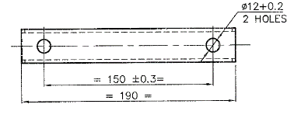 | 190 | 30 | 30 | 190 | 80 | 3 | PLATE | 10 | BLANK & PIERCING | 600 | 450 | 350 | 742 | 65% | 482 | 375
 |  |  |  |  |  |  |  |  |  |  | 20 | FORMING | 500 | 400 | 350 | 550 | 65% | 357 | 375
 |  |  |  |  |  |  |  |  |  |  |  |  |  |  |  | 0 | 65% | 0 | 375
 |  |  |  |  |  |  |  |  |  |  |  |  |  |  |  | 0 | 65% | 0 | 375
 |  |  |  |  |  |  |  |  |  |  |  | CF |  |  |  | 0 | 65% | 0 | 375
 |  |  |  |  |  |  |  |  |  |  |  | TOTAL
2 | CONN. TUBE | F15219098T01 | 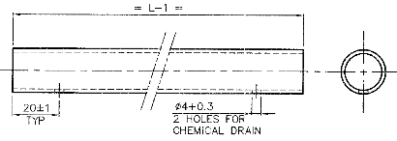 | 199 | 0 | 20 | 199 | 0 | 1.6 | PLATE | 10 |  |  |  |  | 0 | 65% | 0 | 375
 |  |  |  |  |  |  |  |  |  |  |  |  |  |  |  | 0 | 65% | 0 | 375
 |  |  |  |  |  |  |  |  |  |  |  |  |  |  |  | 0 | 65% | 0 | 375

 |  |  |  |  |  |  |  |  |  |  |  | CF |  |  |  | 0 | 65% | 0 | 375
 |  |  |  |  |  |  |  |  |  |  |  | TOTAL
3 | MTG BRKT | H15503226S01 |  | 395 | 69 | 61 | 395 | 123 | 2.5 | PLATE | 10 | BLANK & PIERCING | 900 | 500 | 400 | 1413 | 65% | 918 | 375
 |  |  |  |  |  |  |  |  |  |  | 20 | FORMING | 700 | 450 | 350 | 865 | 65% | 563 | 375
 |  |  |  |  |  |  |  |  |  |  |  |  |  |  |  | 0 | 65% | 0 | 375
 |  |  |  |  |  |  |  |  |  |  |  |  |  |  |  | 0 | 65% | 0 | 375
 |  |  |  |  |  |  |  |  |  |  |  | CF |  |  |  | 0 | 65% | 0 | 375
 |  |  |  |  |  |  |  |  |  |  |  | TOTAL
4 | CONN TUBE | H15503236T01 |  | 270 | 0 | 16 | 270 | 0 | 1.6 | PLATE | 10 |  |  |  |  | 0 | 65% | 0 | 375
 |  |  |  |  |  |  |  |  |  |  |  |  |  |  |  | 0 | 65% | 0 | 375
 |  |  |  |  |  |  |  |  |  |  |  |  |  |  |  | 0 | 65% | 0 | 375

 |  |  |  |  |  |  |  |  |  |  |  | CF |  |  |  | 0 | 65% | 0 | 375
 |  |  |  |  |  |  |  |  |  |  |  | TOTAL
5 | Sliderail Mtg Brkt - AL Sunshine | H16201007S01 | 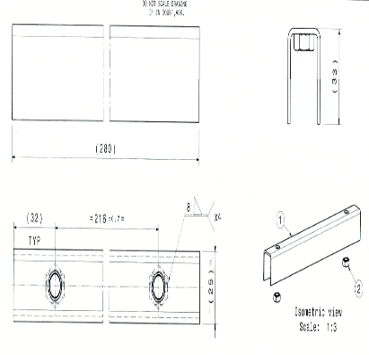 | 280 | 25 | 33 | 280 | 82 | 2.5 | PLATE | 10 | BLANK & PIERCING | 800 | 450 | 350 | 989 | 65% | 643 | 375
 |  |  |  |  |  |  |  |  |  |  | 20 | FORMING | 700 | 400 | 350 | 769 | 65% | 500 | 375
 |  |  |  |  |  |  |  |  |  |  |  |  |  |  |  | 0 | 65% | 0 | 375

 |  |  |  |  |  |  |  |  |  |  |  | CF |  |  |  | 0 | 65% | 0 | 375
 |  |  |  |  |  |  |  |  |  |  |  | TOTAL
6 | LIMIT SWITCH MTG BKT | F15220051S01 | 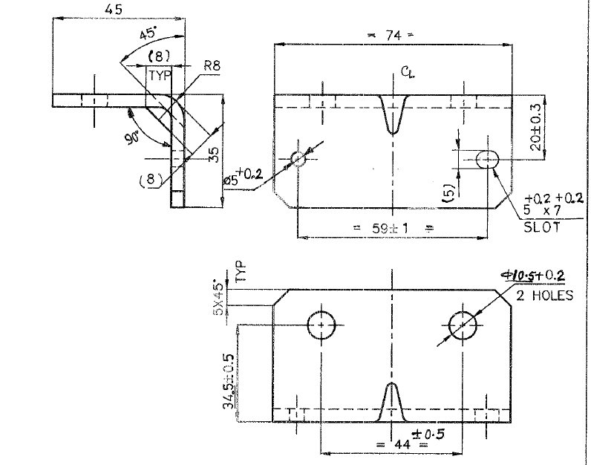 | 74 | 35 | 45 | 74 | 88 | 4 | PLATE | 10 | BLANK & PIERCING | 500 | 400 | 350 | 550 | 65% | 357 | 375
 |  |  |  |  |  |  |  |  |  |  | 20 | FORMING | 400 | 350 | 350 | 385 | 65% | 250 | 375
 |  |  |  |  |  |  |  |  |  |  |  |  |  |  |  | 0 | 65% | 0 | 375

 |  |  |  |  |  |  |  |  |  |  |  | CF |  |  |  | 0 | 65% | 0 | 375
 |  |  |  |  |  |  |  |  |  |  |  | TOTAL
7 | LIMIT SWITCH SENSOR | F15220052S01 | 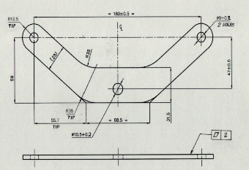 | 205 | 72 | 4 | 205 | 72 | 4 | PLATE | 10 | BLANKING | 700 | 450 | 350 | 865 | 65% | 563 | 375
 |  |  |  |  |  |  |  |  |  |  | 20 | PIERCING | 600 | 400 | 350 | 659 | 65% | 429 | 375
 |  |  |  |  |  |  |  |  |  |  |  |  |  |  |  | 0 | 65% | 0 | 375

 |  |  |  |  |  |  |  |  |  |  |  | CF |  |  |  | 0 | 65% | 0 | 375
 |  |  |  |  |  |  |  |  |  |  |  | TOTAL
8 | PIVOT SUPPORT PLATE | A11619006S01 | 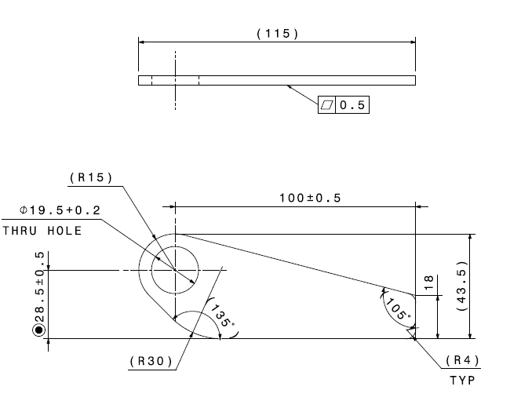 | 115 | 44 | 4 | 115 | 44 | 4 | PLATE | 10 | BLANKING | 500 | 400 | 350 | 550 | 65% | 357 | 375
 |  |  |  |  |  |  |  |  |  |  | 20 | PIERCING | 350 | 300 | 350 | 288 | 65% | 188 | 375
 |  |  |  |  |  |  |  |  |  |  |  |  |  |  |  | 0 | 65% | 0 | 375

 |  |  |  |  |  |  |  |  |  |  |  | CF |  |  |  | 0 | 65% | 0 | 375
 |  |  |  |  |  |  |  |  |  |  |  | TOTAL
9 | HINGE TUBE | A11619005T01 | 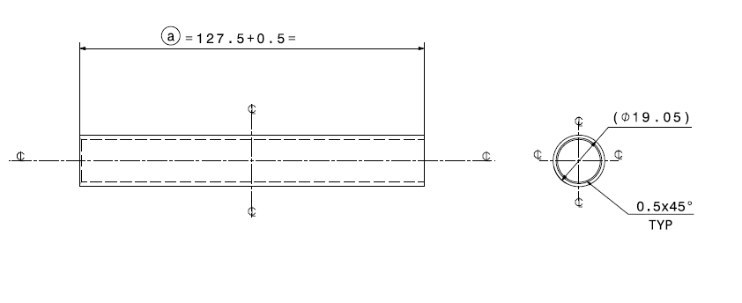 | 128 | 0 | 20 | 128 | 0 | 1.6 | PLATE | 10 |  |  |  |  | 0 | 65% | 0 | 375
 |  |  |  |  |  |  |  |  |  |  |  |  |  |  |  | 0 | 65% | 0 | 375
 |  |  |  |  |  |  |  |  |  |  |  |  |  |  |  | 0 | 65% | 0 | 375

 |  |  |  |  |  |  |  |  |  |  |  | CF |  |  |  | 0 | 65% | 0 | 375
 |  |  |  |  |  |  |  |  |  |  |  | TOTAL
10 | BELT MTG BRKT LH & RH | A11602062S01 | 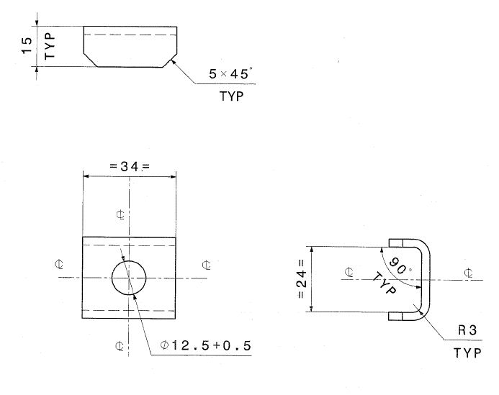 | 34 | 30 | 15 | 34 | 50 | 3 | PLATE | 10 | BLANK & PIERCING | 400 | 350 | 350 | 385 | 65% | 250 | 375
 |  |  |  |  |  |  |  |  |  |  | 20 | FORMING | 350 | 300 | 350 | 288 | 65% | 188 | 375
 |  |  |  |  |  |  |  |  |  |  |  |  |  |  |  | 0 | 65% | 0 | 375

 |  |  |  |  |  |  |  |  |  |  |  | CF |  |  |  | 0 | 65% | 0 | 375
 |  |  |  |  |  |  |  |  |  |  |  | TOTAL
11 | BASE PLATE CT | A11602061S01 | 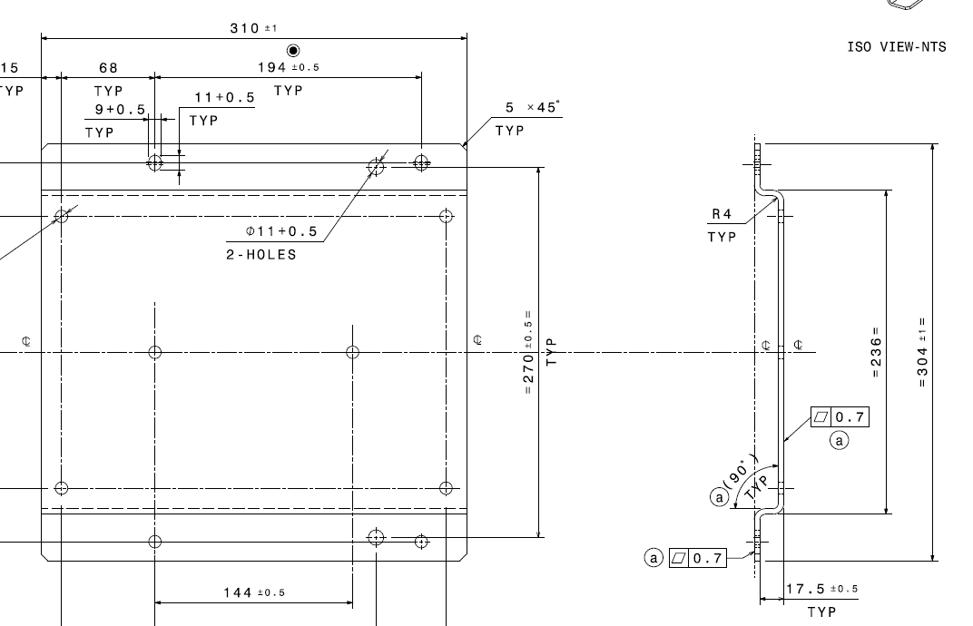 | 310 | 304 | 22 | 329 | 310 | 4 | PLATE | 10 | BLANKING | 800 | 700 | 450 | 1978 | 65% | 1286 | 375
 |  |  |  |  |  |  |  |  |  |  | 20 | FORMING | 750 | 650 | 400 | 1531 | 65% | 995 | 375
 |  |  |  |  |  |  |  |  |  |  | 30 | PIERCING | 700 | 600 | 350 | 1154 | 65% | 750 | 375

 |  |  |  |  |  |  |  |  |  |  |  | CF |  |  |  | 0 | 65% | 0 | 375
 |  |  |  |  |  |  |  |  |  |  |  | TOTAL
 |  |  |  |  |  |  |  |  |  |  |  | Grand Total
NOTE:
1 | DIE STEEL CONSIDER D2 IMP WITH VHT
2 | STANDARDS FROM MISUMI
3 | COMPLETE 2D AMD 3D DATA REQUIRED ALONG WITH PO.
4 | FOR TOOL TRAILS AND SAMPLES REQUIRED MATERIALS TO BE SUPPLIED BY CUSTOMER.
5 | STRIP SIZE AND PITCH MAY VARY AT THE TIME OF DESIGN
6 | PART WILL BE PROVED AS PER CHECKING GAGUE
7 | NO SPARES ARE CONSIDER
8 | PACKING AND FORWORDING EXTRA AT ACTUALS.
GST NO: 33AAKFJ6093J1Z0

OTHER TERMS AND CONDITIONS:
DELIVERY: |  | 10 WEEKS AFTER design approve/complete. |  |  |  |  | FRIEGHT at your end
Payment Terms: 50 %+GST with PO,40%+FULL GST after t0 sample submission, balance 10 % after PPAP.
Govt Taxes as applicable extra

